Codebook Result summary
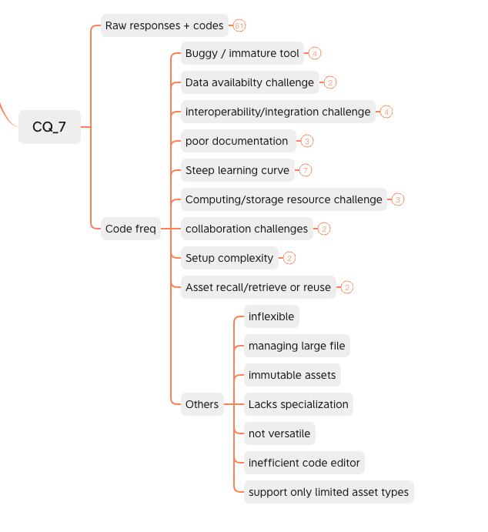
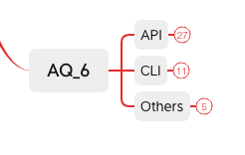
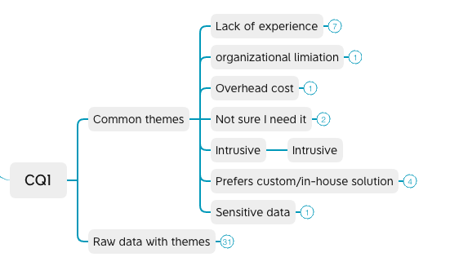
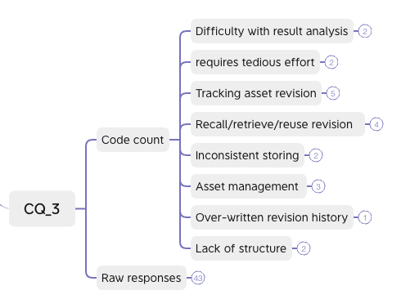
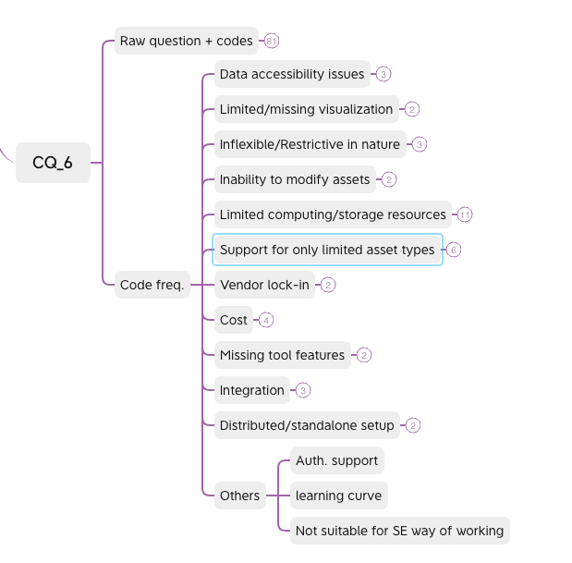
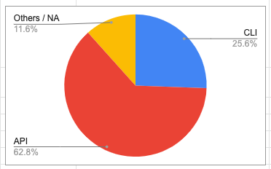
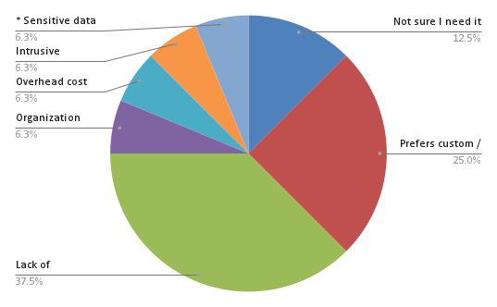
AQ_6 | CQ_1 | CQ_3 | CQ_6 | CQ_7
Which form/interface of artefact/metadata tracking do you prefer? (e.g., tracking via API in scripts, command-line interface) | If yes, why are you not using such tools? | What are the challenges you face in managing artefacts/metadata during or after ML/DL experimentation? Challenges are aspects that make artefact and metadata management difficult. | What particular limitations of the tool(s) did you experience? | When using your selected experiment management tool(s), which challenges did you experience? Challenges are aspects that make using the tool difficult.
 | They were developed after I worked as a ML-Engineer, currently I only develop exploratory modells / prototypes | tracking non standard, use case oriented quality measure metrics
 |  |  |  | Learning curve

 |  | Easier iteration on partial pipelines would be cool
API |  |  | Authentication and Authorization support out of the box
In script (api) |  |  | Depends on serialization which prevents passing some objects. Some inflexibility in changing some study elements and continuing, requiring restarting a new study. No tools to directly work with the database | Depends on serialization which prevents passing some objects. Some inflexibility in changing some study elements and continuing, requiring restarting a new study. No tools to directly work with the database
git or sqlite database (cli?) |  |  | lack of integration with custom pipeline | lack of integration with custom pipeline
API
API calls, cli interface |  |  | Cost and integration into Git
CLIs |  |  | Consolidated model performance tracking over time for both deployed models and experiments | All tools are new and lack functionality/are buggy
 |  | depends on what kind of data and what kind of information do we need from data. For instance in Graphs, we have to set an initial data that can used to initialise the weights of the model.
 | I already have my environment settings so I don't want to set-up a new one to embed experiment management tools | If I forget to document the different runs output (artifacts and different hyper-parameters values), then I can't recall my exact experiment settings. Another challenge is after experiment if I need to reuse any component of my ML model, I struggle to remember the last version and its parameter values
command-line interface (cli) |  |  | Limitations on access due to geographical location | Nil
Via Api (api) |  |  | It is not always possible to visualise the results I want to see for comparison
API |  |  |  | Having more examples, to solve complex problems like understand full power of the tool

tracking via API in scripts |  |  |  | robustness & availability in automated bulk pipeline runs

dashboard |  |  | Before building our own tools based on Mlflow (for model monitoring and artefact deploy), and celery (for queue management), we tried several bought solutions, like AWS Sagemaker, Weights & Biases, and Vertex AI, but these were too restrictive and not as flexible. Probably they could have offered deeper support for some features, but they always seemed to lack some basic parts that we would like to have, e.g. problems with accessing our data, or integrating with our already developed tools for visualizations etc. Better to start small, and develop incrementally towards something that fits our purposes. | from above "they always seemed to lack some basic parts that we would like to have, e.g. problems with accessing our data, or integrating with our already developed tools for visualizations etc. "
 |  |  | I don't use a specific tool. Rather a series of scripts and CLI tools to manage everything

 | Not much experience
Elasticsearch and API query |  |  |  | Complexity with shared code
 | I did not have the knowledge to use them at the time | manually doing this is tiring and complicated as you don't have a structure that manages everything

API

 | Not familiar with them | When I need a huge modification of my models so I need an absolutely different structure for the metadata

 | Need to have the organisation adapt the tools | Difficult to retrieve and use past artefacts quickly
 | Laziness | At the beginning of an experiment it is sometimes not clear which aspects of, e.g. an adversarial attack, we will want to modify and track

API |  |  | Vendor lock-in | Always have to rerun complete workflows, which is time and resource consuming
 |  |  | It’s not really a limitation, but I want to start using tools for managing data. | In my current setup I don’t like the way checkpoints are saved. I want to be able to retrieve the needed models without tweaking 100-characters long file paths.
via (python) API |  |  | potentially more features than needed, long-term worry about vendor/service provider lock-in | Considerable learning curve

Tracking via log files and event based API |  |  |  | Difficult way to reuse configurations for the similar experiments
 |  | Missing history due to overwritten files
 |  |  | overhead of developing and bug-fixing my custom tool
API |  |  |  | It's still difficult to track data, code, and parameters at scale. dvc works, but it's not really efficient with the larger datasets
 | I'm using own tools. | Time to defelop suitable tools for my workflow pipeline
generally command-line |  |  | I have used this tool as a side test, the limitation is that it did not motivate me to use it more extensively. | documention is not always very clear
 | I think they are too complex for the types of experiments I do. I also have experience in programming in python, so I prefer to do that on my own. | I think saving all the artifacts and making sure all the parameters are reported correctly.

Scripts and config files can be managed in version control. Think infrastructure as code. |  |  | I am the lead engineer for the tool set for our team. The biggest limits is that there difference between backend platforms and how it is hard to compare models between them. Most tools and platforms fail to deal provide reproducibility across distribibuted compute. | We made out own because there really are very little things that manage experiments.
 |  |  | Resources
 | typically they invade my code extensively | good naming

command line scripts |  |  | mostly limitations of the computing power and storage | It is difficult to work on big projects due to limitations of storage and computing and the speed is also slow and can only run a model for a limited amount of time
CLI |  |  | to use the experiment tool, you need to have the data there.. thats a limitation for me. For example I am not able to use SageMaker easily without storing the data in the AWS. | In my company we use AWS, MS Azure, and GCP all three together for different projects. It's really hard to know all features in all of them.. very hard to learn the platforms. Steep learning curve due to the use of many services and requirements to learn them.
 |  |  |  | 1-) Library version problem and sometime takes long time to prepare my work field. So I need to find working versions for some models or experiments. 2-) Some enviroments lagging after a few hundred iterations so it makes browser very slow.
API |  |  | Need more practice | Housing
Command-line interface (cli) |  |  | I haven't actually faced this issue because my dataset was not that big, but Google Colab has limited space and time. | the tool I used can provide common tools but is not very good for specialization
Command-line interface (cli) |  |  | when you are using the tools you do not have the flexibility to change everything sometimes. | for example the time I used Rapid miner, near 2 years ago , it had some bugs and limited model. when you wanted to export a heavy excel file it didn't work properly.
 | Didn't explore before, but I am planning to use them | Sometime its difficult to note all things in file name, it will be too big then
I prefer tracking via API in scripts. |  |  | The limitations are in terms of RAM, GPU RAM and HBM for some of the most common tools. For cloud-based services | Their deployments in most of the cases are quite challenging.
In script forms, especially models. I would like to track my model's result via scripts. (api) |  |  | Usage limits ( GPU / TPU ) | Sometimes they dont support newest technologies. They have storage limits, usage limits etc. Most of them are not easy to use.
command-line interface (cli) |  |  |  | I didn’t face any challenge but sometimes i felt the results issues
Command-line interface, cause it helps a lot in with troubleshooting (cli) |  |  | When it comes to managing text files and spreadsheets I have to do it manually and this is time consuming. | Managing of the files such as Spreadsheets, CSV files and text files I have to do them manually. Using different versions of the deep learning frameworks such as PyTorch requires different versions of Cuda, Cudnn and other packages. This is very frustrating because it creates and spinns up adequate containers for each machine depending on the experiment. This is a common challenge when collaborating to work on a particular project.
 |  | 1. Keeping track of the changes made to the metadata and the resulting artefacts for each experimentation. 2. Making history of model variations easily accessible and easy to roll back to. 3. Keeping track of dataset versions, since doing so using a file system only is time and memory consuming, especially for huge datasets.
I can't tell about this |  |  | Sometimes I face resources limitations for data size, and sometimes for GPU parallelization | Sometimes challenges like learning the tool face me, I also face challenges like developing model like the exact same way I have in mind.
usually custom API. (api) |  |  | Storage, Performance, Tracking and other custom configuration. | Model Performance

Either is fine to be honest, as long as it allows to track custom metrics that I wish to keep tack of in my experiments. |  |  | Not able to modify the metrics I wish to keep track of, as a Large-Scale ML researcher my goal / target in designing ML systems is drastically different from someone running ML experiments to achieve good results in particular application. I am more concerned about designs that boost performance, ensure reliability, provide privacy and can work under extreme conditions. Most management tools are designed with ML application engineers in mind. | Using the tools have not been difficult per se. The only hinderance as stated earlier is the lack of versatility.
scripts (api) |  |  | memory limits | its hard to learn every feature of that tool and insufficient resources
comman-line interface (cli)
 | our in-house solution is simple, effective, not using any additional packages. Our data are sensitive, so we avoid unnecessary packages that require us to register. | our tools don't help use visualizing the correlation between metadata and model performance.
 |  | If we use MLFlow then it would very beneficial, for instance, we track the designed experiment using MLFLow. We track hyper-parameter, Loss, Accuracy and with model version.
A CLI that is very simple and easy to use |  |  | Google Colab limits your GPU usage without purchasing the pro version | Writing code in Google Colab isn't very intuitive - I wrote code in my own editor/IDE, pushed it to GitHub, and pulled it into Colab. Therefore, development was slowed down by this process.
tracking via API in scripts |  |  | In tensorboard, I can’t perform data and model versioning to track various experiments and also cannot log and visualize other data formats like audio/video or custom HTML | in a team setting where collaboration is required, it is difficult to use (tensor board)
Visualization of the prediction |  |  | Once I was working on tensorflow and I got to know if we create multiple models in the same notebook and try to save each then we can not to this. | Changes with time is the most significant issue like you can not run the model which you made 5 years earlier and if you will try to run that then you have to waste a lot time.
Tracking via API in scripts |  |  | The ability to do grid search over many parameters and training hyper parameters or data preparation techniques in an automated fashion. There are probably other tools that allow for this but the ones I used, didn't. | Even though they are easy to use, the documentation and tutorials available to get started are not straightforward
Command-line interface (cli) |  |  | Google colab has (at least in my country) a strong limitation on computational capacity so i prefer to train my models locally | The main challenge that i was experimented is that i mentioned in the previous answer

Tracking Api In scripts because more easier |  |  | Sometimes in some deep learning models I need more resources and I have to pay, also if the model takes a lot of time to train, I have to train it everyday which not that efficient. | Working in some tools was difficult at the beginning as some features are not clear and therefore you need the documentation, and also some tools do not support some models.
Command-line-interface. (cli) |  |  | In the gpu of google collab the ram is limited | Some versioning problems, like dependancies
CLI and GUI |  |  | Some tools may work well on the local machine, but are complicated to use in the cloud. Some features are difficult to use | I work mostly on image processing projects, the tools I used have not been able to track the details of the parameters I wanted.
 | I am using small datasets | I can find model adjustments when managing artefacts/ metadata
Tracking via API in scripts is better |  |  | It's is becoming quite complicated when I'm new. Managing dependencies was not visual. | Sometime, I have trouble with store data, because the limitation.
 |  | With the many versions saved and the increased hyperparameters, it can be pretty overwhelming and hard to be on track with the numbers, and remembering which version of the model performed the best, especially if it's a long term project that had many trials. I usually manually create a table on Excel with the different variables and models I used and their accuracy, but it gets difficult and very inefficient as the trails increase. It would take a long time to manually generate a report comparing the different trials.

